Semi-Finals & Finals
'The Elmo Trophy'
2nd & 3rd September 2017

Organised by the Royal St George Yacht Club

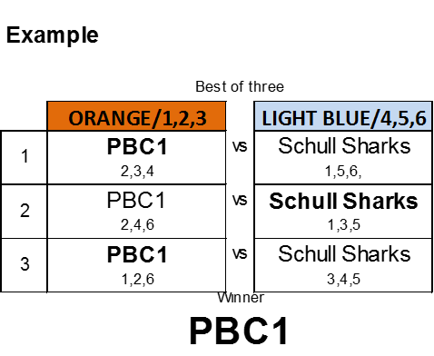
 | Semi Finals
 | Best of three |  |  |  | Best of three
 | Orange/1,2,3 |  | Light Blue/4,5,6 |  | Red/7,8,9 |  | Blue/10,11,12
1 |  | vs |  | 2 |  | vs

3 |  | vs |  | 4 |  | vs

5 |  | vs |  | 6 |  | vs

 |  | Winner |  |  |  | Winner

 | Final
 | Best of three
 | Orange/1,2,3 |  | Light Blue/4,5,6
7 |  | vs

8 |  | vs

9 |  | vs

 |  | Winner

